Instructions
General Guidelines |  | Form Instructions

# | General Guidelines | # | Name | Description
1 | All Deficiencies, Observations, incidents and defects to be reported via DR Sender and followed up till closure. Entries become OVERDUE if not closed within 90 days of ocurrance or exceeding 'Target Date'. | 1 | Form Bar | Vessel Name and other information is displayed here.
2 | Entries in DR Sender to be made earliest possible. Write the entry clearly and in short. Do not delete any entries in the excel sheet. | 2 | Deficiency details | Mention a brief description of the deficiency. Keep it short but clear.
3 | Vetting sender,PSC sender and SI observations will be imported to DR sender from the respective sender at the office. | 3 | Serial Number | Auto-generated refrence number, but can be changed if required.
4 | Review and update the Open Entries and send the DR Sender to the PIC at max monthly intervals | 4 | Date Ocurred | Enter date when the defect happened or deficiency was noted.
5 | Upon receipt of updated DR Sender from the PIC, overwrite the older file on the shared drive. Do not rename the file. | 5 | Est Cause | The estimated cause of deficiency is to be mentioned here by vessel
6 | For any Inspection even if there are Nil obsevations from third party inspections it has to be entered in DR sender. Category 1 to be left blank and Category 2 PSC and Vetting to be set to Nil.Target date, Closure date and status is automatically set and the record is automatically closed. | 6 | Category 1 | Used for reporting of vessel defects, Accidents and Injury. System and subsystem to be selected as per the defect.
7 | In case of any errors in the sheet or data corruption please contact itsupport@mmstokyo.co.jp | 7 | Category 2 | Select the appropiate PSC and SIRE categories.
8 | To prevent unwnated changes, the DRSEND sheet is password protected. All changes are to be done using the data entry form. In case it is required to change data direcly in the sheet please contact PIC. | 8 | Immediate action taken | The immediate or temporary action taken to rectify or mitigate the deficiency.
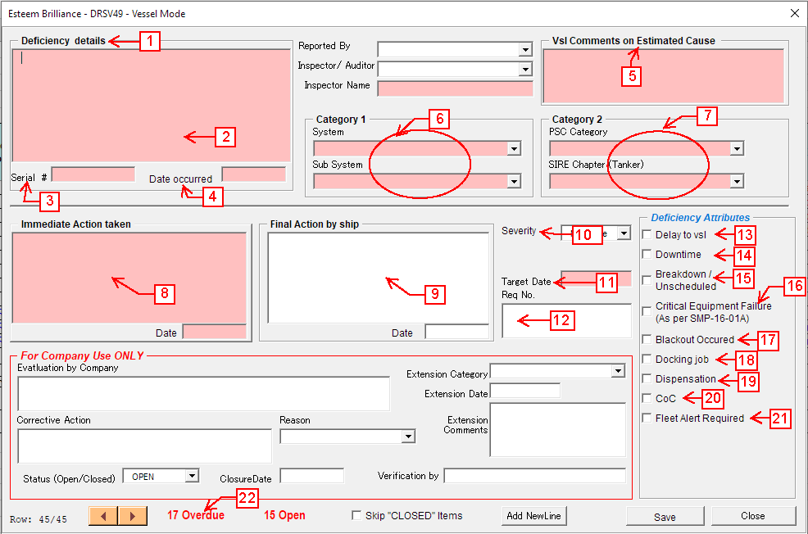
 |  | 9 | Final Action by Ship | Final action taken to rectify the deficiency. If Immediate action was sufficient, then this can be blank.
 |  | 10 | Severity | Severity of the deficiency to be set to 1/2/3/4/5 as per the table given in the Severity Matrix sheet (Default value is 1).
 |  | 11 | Target Date | By default, Target dates are automatically set as per the Severity however it can be manually filled as well
 |  | 12 | Req No. | Requisition number to be entered in case spares or any items required
 |  | 13 | Delay to vsl | Tick this if the deficiency caused any delay or stoppage in Navigation or cargo operation. Tine (in decimal hours) to be entered also.
 |  | 14 | Downtime | Tick this for the downtime when the machinery was being repaired (not available) - from start of breakdown to completion of repair. Time to be entered in decimal hours.
 |  | 15 | Breakdown / Unscheduled | Tick this for recording breakdowns or unscheduled maintenance. PMS to be updated accordingly.
 |  | 16 | Critical Equipment Failure | Tick this to record FAILURES of critical equipment (SMP-16-01A).
 |  | 17 | Blackout Occured | Tick this box if the dedfect/deficiency resulted in blackout. Enter the delay and downtime ocurred.
 |  | 18 | Docking job
 |  | 19 | Dispensation | Tick this to record Issuance of Flag Dispensation to the vessel for any abnormal condition.
 |  | 20 | CoC | Tick this to record CoC or Outstanding Recommendation on the vessel by Class
 |  | 21 | Fleet Alert Required | To be checked by PIC in case a Fleet alert is required.
 |  | 22 | Record status | Displays total number of ovedue items. Red Font color indicates that the currently displayed record is overdue.

- Vessel Mode

